Zalando Profile
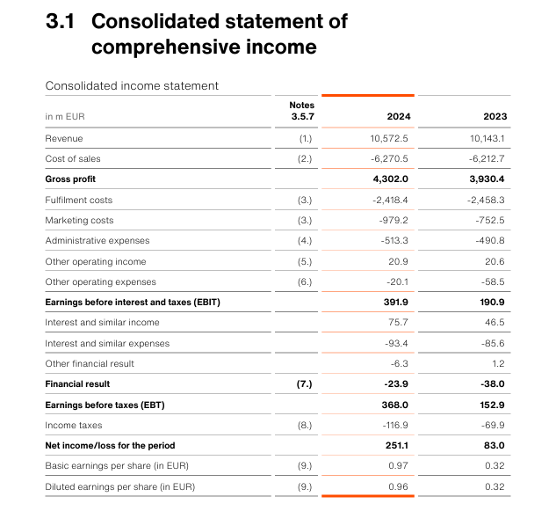
Assumptions
Cost structure derived from Zalando 2024 annual report
Costs modeled as percentage of revenue
Logistics identified as key operational driver
Model designed to simulate monthly controlling environment

